AllData
City | 2010 Census Population | Total Pawdacity Sales | Households with Under 18 | Land Area | Population Density | Total Families
Buffalo | 4,585.00 | 185,328.00 | 746.00 | 3,115.51 | 1.55 | 1,819.50
Casper | 35,316.00 | 317,736.00 | 7,788.00 | 3,894.31 | 11.16 | 8,756.32
Cheyenne | 59,466.00 | 917,892.00 | 7,158.00 | 1,500.18 | 20.34 | 14,612.64
Cody | 9,520.00 | 218,376.00 | 1,403.00 | 2,998.96 | 1.82 | 3,515.62
Douglas | 6,120.00 | 208,008.00 | 832.00 | 1,829.47 | 1.46 | 1,744.08
Evanston | 12,359.00 | 283,824.00 | 1,486.00 | 999.50 | 4.95 | 2,712.64
Gillette | 29,087.00 | 543,132.00 | 4,052.00 | 2,748.85 | 5.80 | 7,189.43
Powell | 6,314.00 | 233,928.00 | 1,251.00 | 2,673.57 | 1.62 | 3,134.18
Riverton | 10,615.00 | 303,264.00 | 2,680.00 | 4,796.86 | 2.34 | 5,556.49
Rock Springs | 23,036.00 | 253,584.00 | 4,022.00 | 6,620.20 | 2.78 | 7,572.18
Sheridan | 17,444.00 | 308,232.00 | 2,646.00 | 1,893.98 | 8.98 | 6,039.71

2010 Census Population |  |  | Land Area
Q1 | 7,917.00 |  | Q1 | 1,861.72 |  | Outliers
Q3 | 26,061.50 |  | Q3 | 3,504.91
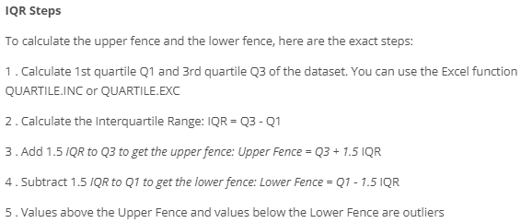
IQR | 18,144.50 |  | IQR | 1,643.19
Upper Fence | 53,278.25 |  | Upper Fence | 5,969.69
Lower Fence | -19,299.75 |  | Lower Fence | -603.06

Total Pawdacity Sales |  |  | Population Density
Q1 | 226,152.00 |  | Q1 | 1.72
Q3 | 312,984.00 |  | Q3 | 7.39
IQR | 86,832.00 |  | IQR | 5.67
Upper Fence | 443,232.00 |  | Upper Fence | 15.90
Lower Fence | 95,904.00 |  | Lower Fence | -6.78

Households with Under 18 |  |  | Total Families
Q1 | 1,327.00 |  | Q1 | 2,923.41
Q3 | 4,037.00 |  | Q3 | 7,380.81
IQR | 2,710.00 |  | IQR | 4,457.40
Upper Fence | 8,102.00 |  | Upper Fence | 14,066.90
Lower Fence | -2,738.00 |  | Lower Fence | -3,762.68

